Overview
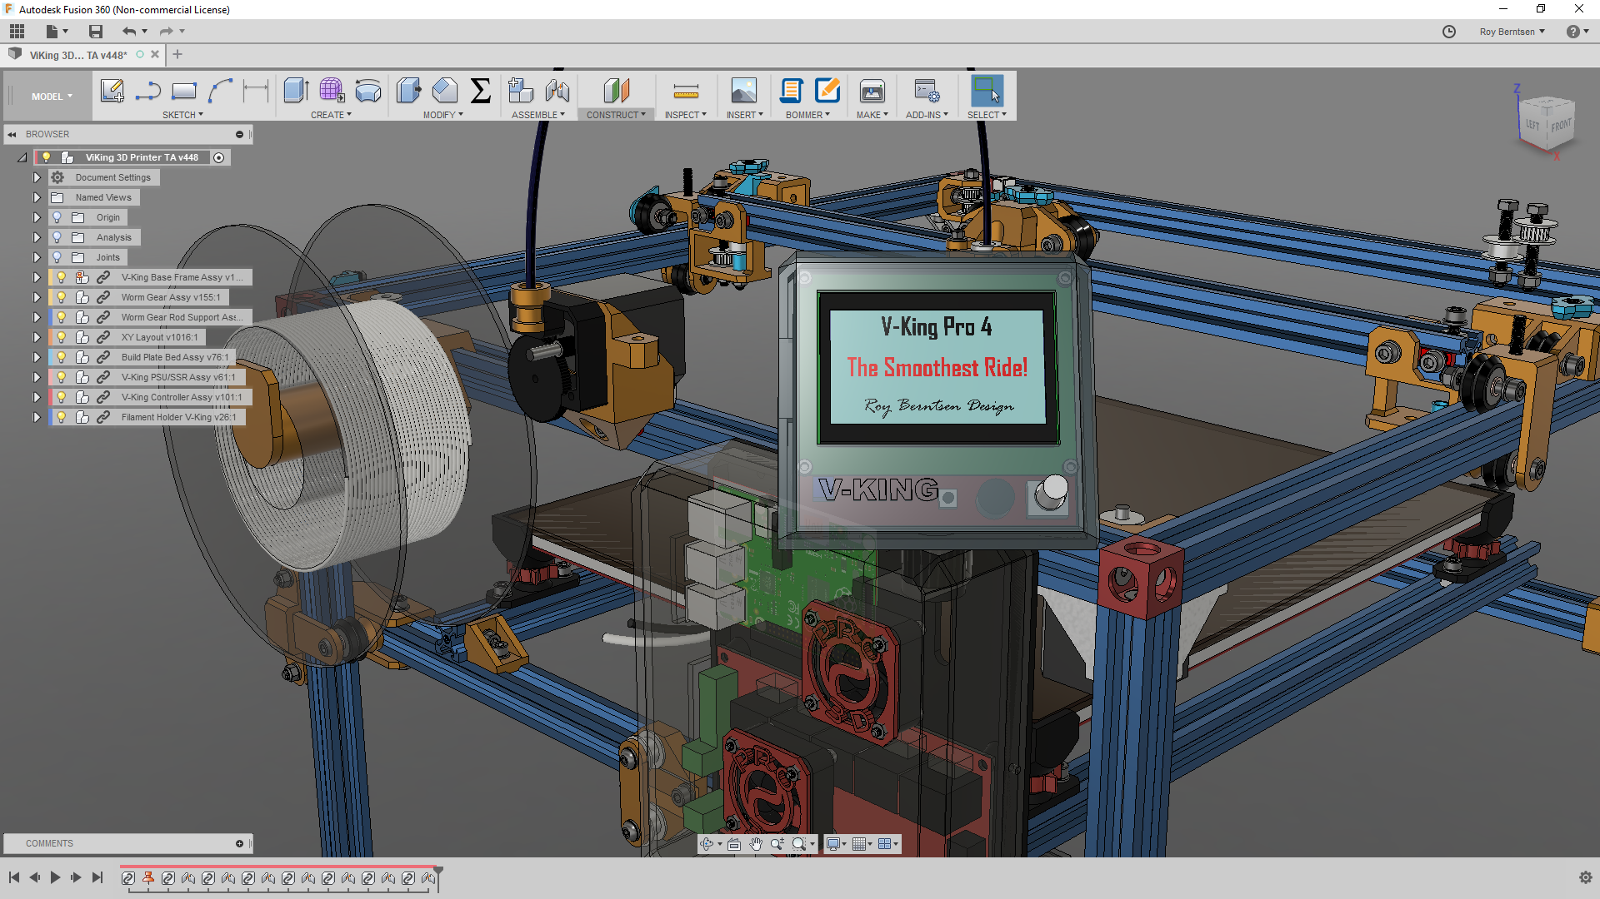
V-King Build Price Estimate
340x390x350 Build Volume
https://www.facebook.com/vking3d/

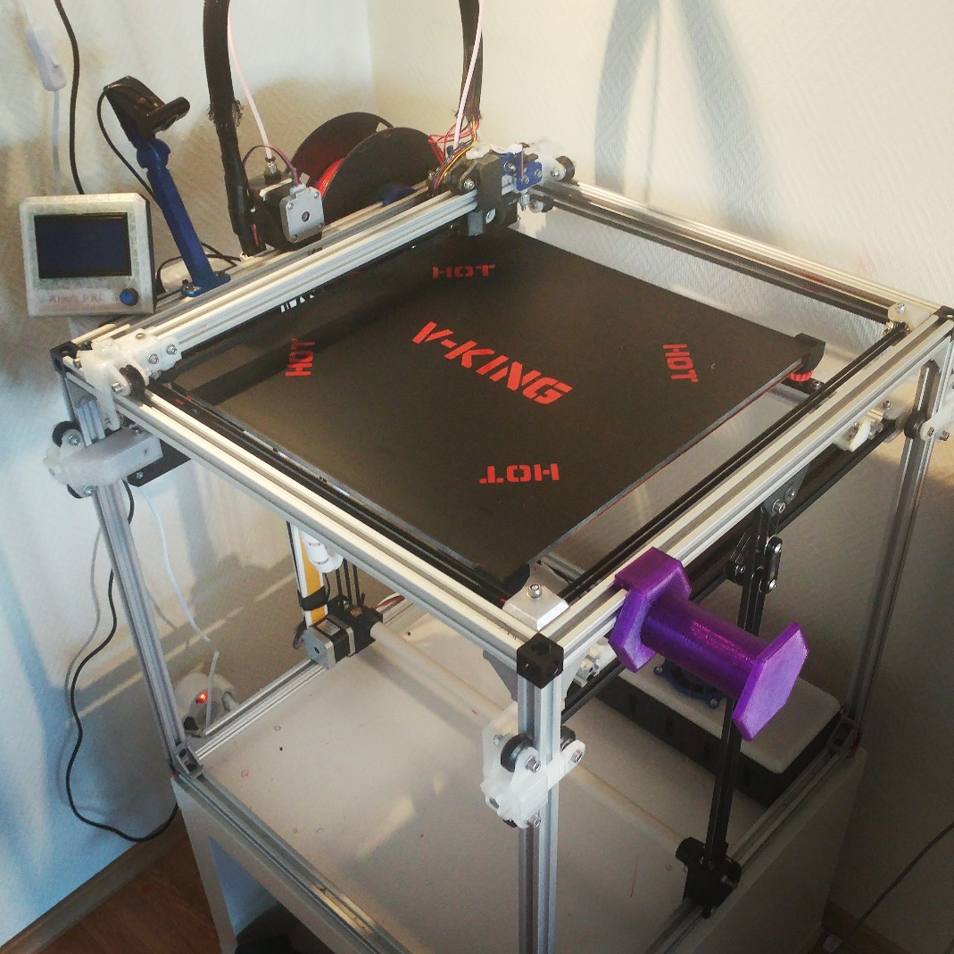
Hardware Standard Price: | EUR 267
Fastners Standard Retail Price: | EUR 85
Part Build Plate Example Price | EUR 60
Components Example Price: | EUR 163

Sub Total Example Price | EUR 575

Research - Development & Design by:
Roy Berntsen

